Sheet1
 | Document No. | Issue No. |  | Issue Date |  | Review and Replace Date |  |  | Authorised By
 | GFF240MC | 1 |  | 11.11.2020 |  | New Issue |  |  | Magda Shah
 | Document Title | LAMB SAMOSA 100G
Document amendments reason for change | New document created |  |  |  | Page 1 of 1 |  | Previous Issue Date | New Issue | Uncontrolled copy unless signed original

CLSAL-G6T & CLSAL-G12T & CLSAL-1G6T |  |  | GAZEBO |  | LAMB SAMOSA 100G | CHILLED

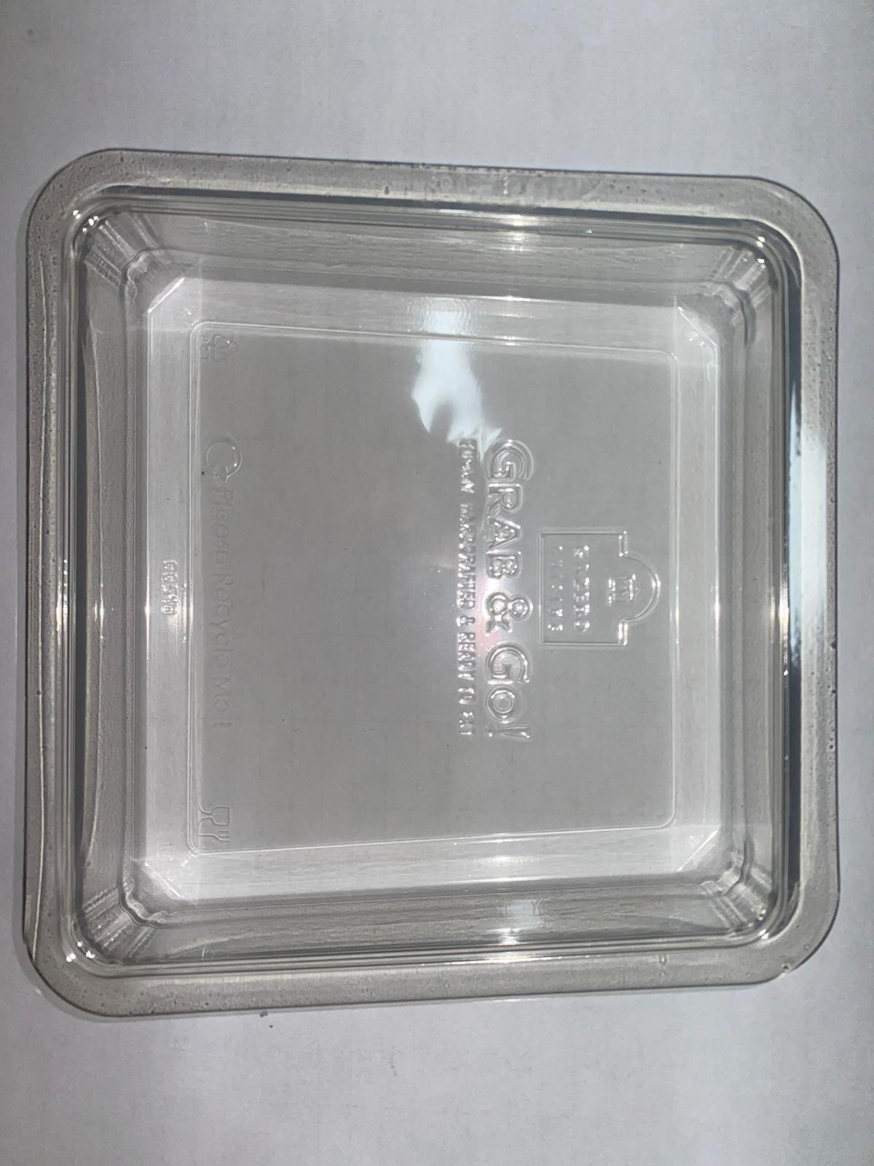 |  |  |  |  | 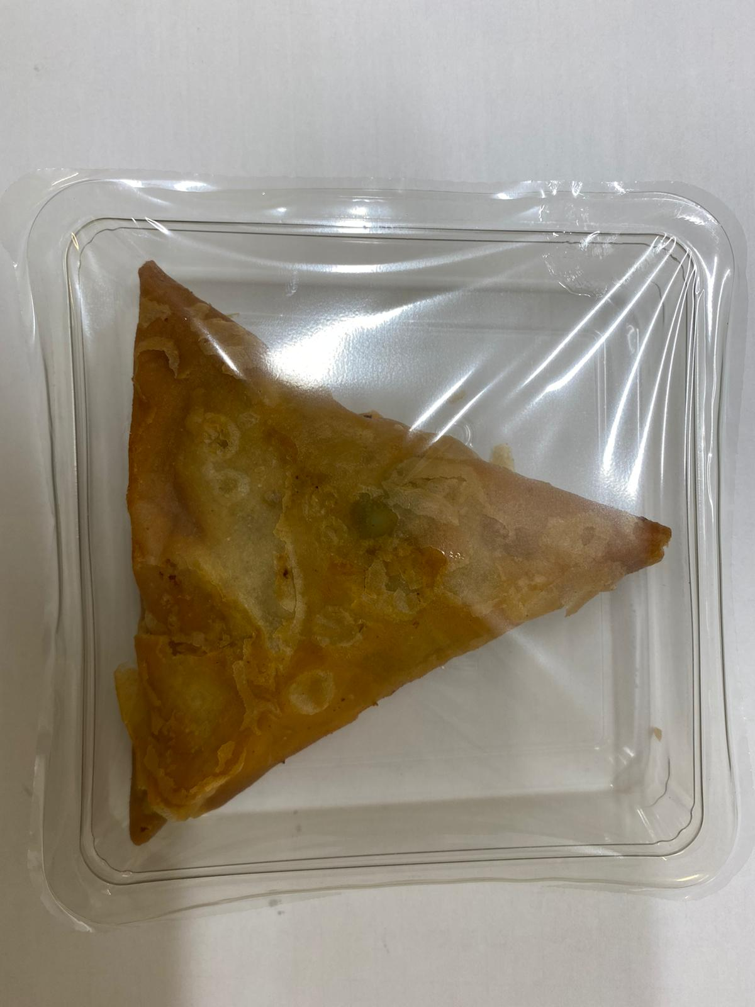

Tray: Clear Trapezoid Tray (PKLEE001-02) |  |  |  |  | LAMB SAMOSA (GFF005R) 100g
Line 1: Mylar 250LAF 250mm x 1000 (PKWRA001-08) Line 2: Mylar 25OLAF - 380mm wide (PKWRA001-02) |  |  |  |  | Total Weight: 100g
ALLERGY ALERT: WHEAT, SOYA

